Bug Reporte
QA
Bug#ID | Module Name | Build No | Description | Tc#ID | Steps To replicate Bug | ScreenShot | Servirity | Priority | Reported By | Assigned To | Resolution | Status | Fixed Bug
ORHRM_001 | OrangeHRM-MyInfo | 1 | Dashboard is displayed after login is successfully instead of MyInfo page. | Tc_MyInfo_001 | 1) Launch Browser 2) open Url " https://opensource-demo.orangehrmlive.com 3)Provide Valid Ess user Name 4) Provide Valid password 5)Click on login button. | 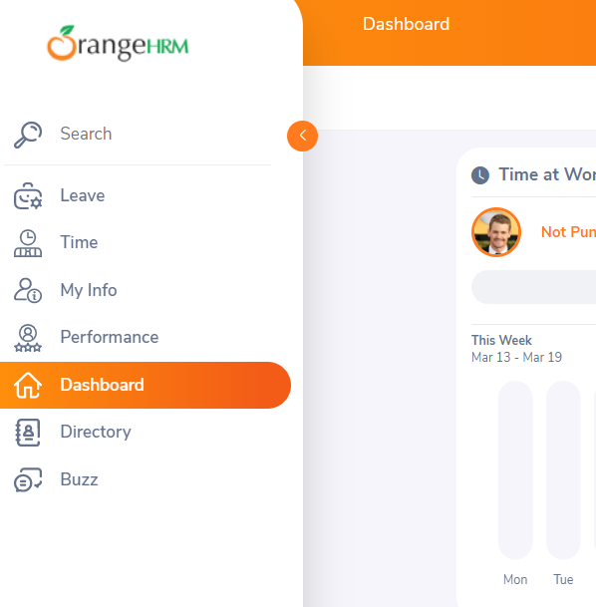 | S3 | P3 | Ganesh | John | Accepted | In Progress
ORHRM_002 | OrangeHRM-MyInfo | 2 | The message of "File type not allowed" should appear (as jpg, .png, .gif up to 1MB files supported) after the "upload" button.But it upolads the complete exe file and then gives a message that file type is not allowed. | Tc_MyInfo_008 | 1) Login to OrangeHRM as ESS User 2)Click on MyInfo Tab 3)click on the photograph at corner of the screen 4)Click "Browse" and then select a photograph from the revelant path 5)click on "upload" once you have selected the picture | 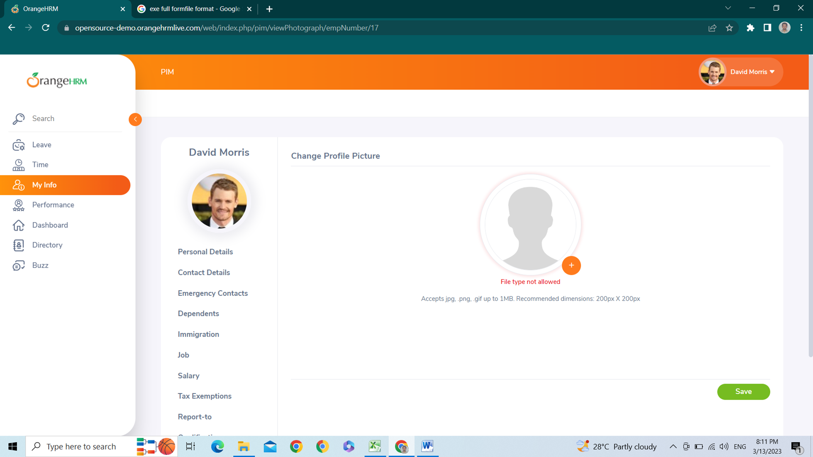 | S3 | P3 | Gannesh | John | Accepted | open

